DLPFC
Significantly expressed genes in DLPFC
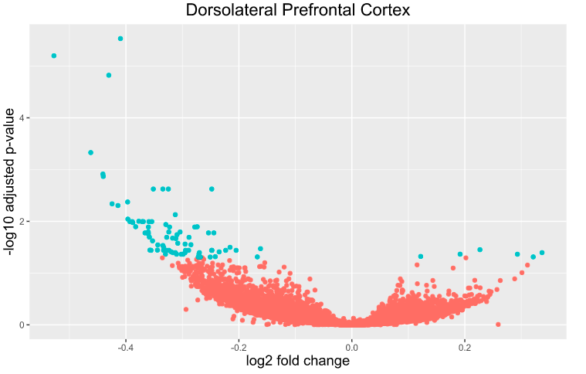
baseMean | log2FoldChange | lfcSE | stat | pvalue | padj | ensembl_gene_id | gene_symbol
10.614327742 | -0.4096419998 | 0.069182802776 | -6.4829623395 | 8.9938954237E-11 | 2.940014475E-06 | ENSG00000129277 | CCL4
985.79808306 | -0.52747184736 | 0.083993136779 | -6.2593437664 | 3.8660082037E-10 | 6.3187971085E-06 | ENSG00000170345 | FOS
101.16834018 | -0.43026064798 | 0.070281989478 | -6.0578024734 | 1.3799369752E-09 | 1.5036253261E-05 | ENSG00000174576 | NPAS4
236.59814686 | -0.46222254875 | 0.084274001907 | -5.4266146987 | 5.7432923207E-08 | 0.00046935620668 | ENSG00000125740 | FOSB
184.04643587 | -0.44069343252 | 0.084646938386 | -5.2123405685 | 1.8647280797E-07 | 0.0012191219239 | ENSG00000142871 | CYR61
38.22694258 | -0.44007169895 | 0.084426707785 | -5.1584115365 | 2.4905373036E-07 | 0.001356886232 | ENSG00000138135 | CH25H
24.759235797 | -0.33457633551 | 0.077685889994 | -5.0023979649 | 5.6621552266E-07 | 0.0023738807094 | ENSG00000108691 | CCL2
30.538109271 | -0.24798534 | 0.074232713182 | -4.9548052629 | 7.2402765155E-07 | 0.0023738807094 | ENSG00000125538 | IL1B
225.01045072 | -0.32480889906 | 0.080615037971 | -4.9646907372 | 6.8810630887E-07 | 0.0023738807094 | ENSG00000149257 | SERPINH1
49.484543953 | -0.35144691708 | 0.068759633591 | -4.9542222402 | 7.2620169152E-07 | 0.0023738807094 | ENSG00000189238 | LINC00943
133.82570495 | -0.39693510737 | 0.084349705019 | -4.8218364564 | 1.4224254777E-06 | 0.0042270605856 | ENSG00000162772 | ATF3
3.2800040014 | -0.42447103923 | 0.084037161175 | -4.7880530154 | 1.6840716513E-06 | 0.0045875515173 | ENSG00000256732 | AC006065.4
240.72117206 | -0.41410226825 | 0.082786200634 | -4.7567082701 | 1.9677521424E-06 | 0.004947988445 | ENSG00000073756 | PTGS2
286.74984523 | -0.31253449134 | 0.066529076198 | -4.6587244497 | 3.1817476275E-06 | 0.0074291534424 | ENSG00000173334 | TRIB1
3.6286306728 | -0.39656301154 | 0.084446380851 | -4.6034973397 | 4.1545450608E-06 | 0.0090538615661 | ENSG00000235661 | MIR670HG
18.625584877 | -0.3771619048 | 0.084636027314 | -4.5699207451 | 4.8790869345E-06 | 0.0099682795502 | ENSG00000133874 | RNF122
133.80284659 | -0.35410966859 | 0.079043677864 | -4.5090316605 | 6.5124190612E-06 | 0.010111139877 | ENSG00000090104 | RGS1
7.637153872 | -0.37130447392 | 0.08308436838 | -4.5141696759 | 6.3565311719E-06 | 0.010111139877 | ENSG00000115008 | IL1A
70.111800994 | -0.38881452356 | 0.084665224436 | -4.5304025901 | 5.8871394047E-06 | 0.010111139877 | ENSG00000118503 | TNFAIP3
99.005806844 | -0.39299615418 | 0.084493977759 | -4.4997016279 | 6.8048908593E-06 | 0.010111139877 | ENSG00000122877 | EGR2
43.802109273 | -0.35926091042 | 0.078209365582 | -4.5079116253 | 6.5468832951E-06 | 0.010111139877 | ENSG00000127472 | PLA2G5
111.02750416 | -0.36915120128 | 0.08293049586 | -4.5116509423 | 6.432498308E-06 | 0.010111139877 | ENSG00000143333 | RGS16
980.25651091 | -0.38787020343 | 0.084211184494 | -4.4809505074 | 7.431134402E-06 | 0.010561580542 | ENSG00000123358 | NR4A1
31.084538088 | -0.32933936918 | 0.073731092439 | -4.4534013866 | 8.4520536245E-06 | 0.011512049205 | ENSG00000062096 | ARSF
73.466255178 | -0.38275054438 | 0.08335093071 | -4.4144146081 | 1.0128368424E-05 | 0.012734085977 | ENSG00000169508 | GPR183
33.901623209 | -0.2737200403 | 0.070828567886 | -4.4183128103 | 9.9474380676E-06 | 0.012734085977 | ENSG00000225217 | HSPA7
1337.6954514 | -0.27812322847 | 0.063408828003 | -4.3882308887 | 1.142764225E-05 | 0.012881317155 | ENSG00000130066 | SAT1
43.950229169 | -0.32269702715 | 0.072696092354 | -4.392420458 | 1.1209564694E-05 | 0.012881317155 | ENSG00000225479 | PLCB1-IT1
18.220221524 | -0.36009503393 | 0.080327167014 | -4.4013082449 | 1.0760013586E-05 | 0.012881317155 | ENSG00000249170 | AC096713.1
74.581375151 | -0.36041867953 | 0.084650056357 | -4.3234654466 | 1.5359720426E-05 | 0.016050067403 | ENSG00000135094 | SDS
165.36926062 | -0.32407671083 | 0.075404924794 | -4.3194854282 | 1.5639343451E-05 | 0.016050067403 | ENSG00000141485 | SLC13A5
795.08568342 | -0.30405131021 | 0.082799591261 | -4.3184655604 | 1.5711773284E-05 | 0.016050067403 | ENSG00000204389 | HSPA1A
314.08482921 | -0.36040573271 | 0.080671459497 | -4.2910505475 | 1.7782982649E-05 | 0.016723621572 | ENSG00000119508 | NR4A3
46.4360391 | -0.24430549201 | 0.069993903249 | -4.2917573478 | 1.7726460162E-05 | 0.016723621572 | ENSG00000169429 | CXCL8
754.34594286 | -0.2537710721 | 0.059020682949 | -4.2895205549 | 1.7905924164E-05 | 0.016723621572 | ENSG00000171444 | MCC
4.9450178504 | -0.36616680893 | 0.084393639244 | -4.2829534636 | 1.8442875557E-05 | 0.016746643308 | ENSG00000237649 | KIFC1
1636.0462783 | -0.36023068461 | 0.082680916859 | -4.2677469701 | 1.9745711268E-05 | 0.017445069071 | ENSG00000120738 | EGR1
58.880777245 | -0.30945144855 | 0.072432040571 | -4.253738773 | 2.1023053998E-05 | 0.018084805582 | ENSG00000173627 | APOBEC4
2.869164719 | -0.35841403544 | 0.083083971876 | -4.2233867031 | 2.4065837459E-05 | 0.0201714913 | ENSG00000243548 | RN7SL101P
59.66935366 | -0.28831288365 | 0.082655110967 | -4.2144096686 | 2.5043235772E-05 | 0.020369076259 | ENSG00000148926 | ADM
78.762882999 | -0.32779477827 | 0.080967279872 | -4.2099050546 | 2.5547802827E-05 | 0.020369076259 | ENSG00000198805 | PNP
18.038719352 | -0.31731117135 | 0.0775900484 | -4.1961230135 | 2.7152281204E-05 | 0.021132879054 | ENSG00000217527 | RPS16P5
12.274919862 | -0.3116139743 | 0.073503999285 | -4.187094109 | 2.8254869138E-05 | 0.021479614355 | ENSG00000259241 | AC020892.1
27.425889157 | -0.35286192859 | 0.084556852269 | -4.1583776969 | 3.2051576064E-05 | 0.023812135681 | ENSG00000166592 | RRAD
313.81699614 | -0.30815908163 | 0.073707331382 | -4.1285123189 | 3.6511788154E-05 | 0.026522974288 | ENSG00000153822 | KCNJ16
7.1143125019 | -0.29522046349 | 0.074462285289 | -4.1148675176 | 3.8740185504E-05 | 0.027529954868 | ENSG00000257743 | MGAM2
1848.8483477 | -0.28487660127 | 0.068903623147 | -4.1037861928 | 4.0644311002E-05 | 0.028268550688 | ENSG00000136205 | TNS3
10.2796633 | -0.34351223871 | 0.082282465432 | -4.096479644 | 4.1948035492E-05 | 0.028567486087 | ENSG00000216316 | AL022722.1
10.246978818 | -0.33449016965 | 0.081102603135 | -4.0860901782 | 4.3870332818E-05 | 0.029266883867 | ENSG00000221185 | AC103816.2
9.9387074033 | -0.3331496023 | 0.08466251272 | -4.0626865321 | 4.8511154893E-05 | 0.031715622846 | ENSG00000225745 | AL773572.2
736.42875455 | -0.21563241385 | 0.053435496913 | -4.0577523877 | 4.9547259259E-05 | 0.031757850155 | ENSG00000079691 | CARMIL1
238.20960318 | -0.16170343818 | 0.039904553378 | -4.0388809619 | 5.3706810656E-05 | 0.03376196026 | ENSG00000184304 | PRKD1
65.431176055 | 0.22678175035 | 0.055821589748 | 4.024119672 | 5.7188832825E-05 | 0.035272561438 | ENSG00000223508 | RPL23AP53
4.9971035425 | -0.35753853696 | 0.084597187259 | -4.0112292274 | 6.0403426847E-05 | 0.035971549233 | ENSG00000251059 | AC139722.1
5.4272267811 | -0.34419155956 | 0.084489180322 | -4.0107625133 | 6.0522965151E-05 | 0.035971549233 | ENSG00000270324 | AC005972.2
1.8040055833 | -0.24774149867 | 0.062802166602 | -3.9925521246 | 6.53659583E-05 | 0.036315368069 | ENSG00000006075 | CCL3
851.33377226 | -0.20487188781 | 0.051141434383 | -3.9929538695 | 6.5255267235E-05 | 0.036315368069 | ENSG00000067082 | KLF6
1362.6456477 | -0.22332512061 | 0.056015656683 | -3.9652412935 | 7.3321737971E-05 | 0.036315368069 | ENSG00000105088 | OLFM2
7.3629360588 | -0.32387899256 | 0.083518610209 | -3.9827823786 | 6.8113120916E-05 | 0.036315368069 | ENSG00000118193 | KIF14
277.0089802 | -0.29441223012 | 0.073389051107 | -3.975258517 | 7.0302847248E-05 | 0.036315368069 | ENSG00000136297 | MMD2
155.12550821 | -0.24825425999 | 0.062483522467 | -3.9770200109 | 6.9784294547E-05 | 0.036315368069 | ENSG00000154553 | PDLIM3
17.469719482 | -0.35551752861 | 0.084617851696 | -3.9822720686 | 6.8259576308E-05 | 0.036315368069 | ENSG00000213755 | AC093270.1
4.698492565 | -0.33336059506 | 0.083531922854 | -3.9842186913 | 6.7702503695E-05 | 0.036315368069 | ENSG00000228412 | AL022068.1
43.990630021 | -0.28892869271 | 0.073215496161 | -3.969361687 | 7.2065423423E-05 | 0.036315368069 | ENSG00000240922 | LSAMP-AS1
7.1427168536 | -0.33109873177 | 0.08448814636 | -3.9838041223 | 6.7820780782E-05 | 0.036315368069 | ENSG00000259356 | AC022710.1
6.0198888242 | -0.32808434402 | 0.084480523563 | -3.968772192 | 7.2243904791E-05 | 0.036315368069 | ENSG00000272574 | AL596325.2
444.31817994 | -0.31985006515 | 0.080608370054 | -3.9417649146 | 8.0884233491E-05 | 0.038882716303 | ENSG00000159388 | BTG2
1.9886305924 | -0.23493834318 | 0.061191318061 | -3.944475668 | 7.9974773094E-05 | 0.038882716303 | ENSG00000175063 | UBE2C
258.6352515 | -0.26983805626 | 0.08396594961 | -3.9242104146 | 8.7014658196E-05 | 0.040233773967 | ENSG00000124762 | CDKN1A
1623.8755549 | -0.31240120872 | 0.083738084437 | -3.917267395 | 8.9558391477E-05 | 0.040233773967 | ENSG00000132002 | DNAJB1
63.317450603 | -0.31677207911 | 0.07934517689 | -3.9208976615 | 8.8219725021E-05 | 0.040233773967 | ENSG00000140522 | RLBP1
199.30817884 | -0.29527787141 | 0.084297717303 | -3.9164867779 | 8.9848741155E-05 | 0.040233773967 | ENSG00000169908 | TM4SF1
11.798048011 | 0.33672586 | 0.084686869292 | 3.9292553396 | 8.5209322678E-05 | 0.040233773967 | ENSG00000196616 | ADH1B
42.334191339 | -0.27075265948 | 0.068781015342 | -3.8941623579 | 9.8538637416E-05 | 0.043057114444 | ENSG00000218475 | ACTG1P18
139.88521811 | 0.19164696443 | 0.049169283723 | 3.8935493819 | 9.8788081106E-05 | 0.043057114444 | ENSG00000261374 | lnc-KNSTRN-2:2
38.652780713 | -0.31039638203 | 0.080169639288 | -3.8898666532 | 0.00010029932073 | 0.043140585463 | ENSG00000182508 | LHFPL1
6.5908209253 | -0.30202202893 | 0.084671538892 | -3.8775346403 | 0.00010552030718 | 0.04320663387 | ENSG00000100078 | PLA2G3
102.1105813 | 0.29315309266 | 0.081827679911 | 3.8781639408 | 0.00010524778626 | 0.04320663387 | ENSG00000225573 | RPL35P5
3.7377620356 | -0.3298772223 | 0.084607353906 | -3.8770287374 | 0.00010573987303 | 0.04320663387 | ENSG00000258048 | AC073569.2
51.979366312 | -0.29861691171 | 0.076073865046 | -3.8808248656 | 0.00010410278768 | 0.04320663387 | ENSG00000259055 | AL591770.1
287.15906126 | 0.12188842908 | 0.031473988092 | 3.8502322609 | 0.00011800586637 | 0.047623379825 | ENSG00000240230 | COX19
450.02725075 | -0.24178418495 | 0.06217004562 | -3.8442047206 | 0.00012094401239 | 0.04821388806 | ENSG00000259417 | CTXND1
2.5275581081 | 0.32107906526 | 0.084742030291 | 3.8358789965 | 0.00012511600137 | 0.048689487725 | ENSG00000198807 | PAX9
50.206459531 | -0.16728334835 | 0.043430589455 | -3.837599792 | 0.00012424275041 | 0.048689487725 | ENSG00000245552 | AP000787.1
374.79221746 | -0.27206031573 | 0.071181911165 | -3.8266625302 | 0.00012989239697 | 0.049001868437 | ENSG00000149090 | PAMR1
545.8419369 | -0.25079617213 | 0.065679815383 | -3.8256720472 | 0.00013041581431 | 0.049001868437 | ENSG00000165092 | ALDH1A1
19.070096198 | -0.26798680666 | 0.069653225431 | -3.8278238358 | 0.00012928123034 | 0.049001868437 | ENSG00000272746 | AP005131.7

nACC
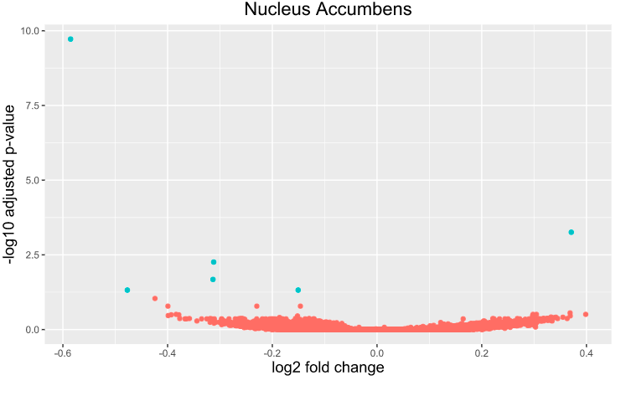
Significantly expressed genes in nACC

baseMean | log2FoldChange | lfcSE | stat | pvalue | padj | ensembl_gene_id | gene_symbol
229.83485918 | -0.58536578869 | 0.080297288654 | -7.8725439061 | 3.48E-15 | 1.90E-10 | ENSG00000174576 | NPAS4
10.912002309 | 0.37104367214 | 0.077472894779 | 5.6098094787 | 2.03E-08 | 0.00055364874061 | ENSG00000226102 | SEPT7P3
24.501662132 | -0.31200456202 | 0.070892682432 | -5.1219955297 | 3.02E-07 | 0.0055090594551 | ENSG00000152595 | MEPE
190.24003273 | -0.3133212713 | 0.074124576995 | -4.8062350752 | 1.54E-06 | 0.021019716201 | ENSG00000173110 | HSPA6
1233.7244914 | -0.47690610852 | 0.099064502169 | -4.5546067022 | 5.25E-06 | 0.047819629872 | ENSG00000087074 | PPP1R15A
358.11092349 | -0.15062714576 | 0.033049569449 | -4.5673241175 | 4.94E-06 | 0.047819629872 | ENSG00000198393 | ZNF26

vSUB
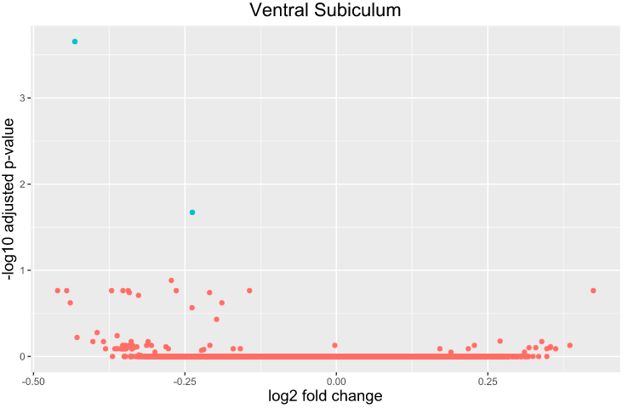
Significantly expressed genes in vSUB

baseMean | log2FoldChange | lfcSE | stat | pvalue | padj | ensembl_gene_id | gene_symbol
83.168149717 | -0.43171365834 | 0.075829050556 | -5.8722361386 | 4.30E-09 | 0.00022153037956 | ENSG00000174576 | NPAS4
55.463380126 | -0.23782238584 | 0.063279027571 | -4.9293627453 | 8.25E-07 | 0.021253204543 | ENSG00000110195 | FOLR1

